HRA Receipt
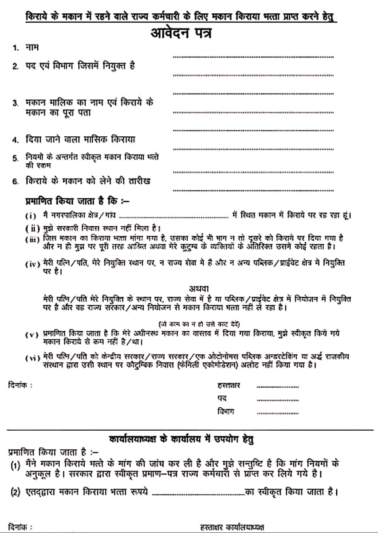
1 | RECEIPT OF HOUSE RENT |  |  |  |  |  |  |  | 2 | RECEIPT OF HOUSE RENT
(Under section 1 (13-A) of Income Tax Act) |  |  |  |  |  |  |  |  | (Under section 1 (13-A) of Income Tax Act)

 |  |  |  |  |  | Date :- |  |  |  |  |  |  |  |  | Date :-
 | I Owner | XYZ |  |  |  |  |  |  |  | I Owner | XYZ
 |  | Received with Thanks from Sri/Smt. |  |  | Ummed |  |  | (Teacher) |  |  | Received with Thanks from Sri/Smt. |  |  | Ummed |  |  | (Teacher)
 | Address- | Govt. Sr. Sec. School Raimalwada, Bapini-Jodhpur |  |  |  |  |  |  |  | Address- | Govt. Sr. Sec. School Raimalwada, Bapini-Jodhpur
 | The sum of (Quarterly) |  |  | Rs. |  |  |  |  |  | The sum of (Quarterly) |  |  | Rs.
 | Towards the House Rent (Monthly) @ |  |  | Rs. |  |  |  |  |  | Towards the House Rent (Monthly) @ |  |  | Rs.
 | Per Month From :- |  | 1 April, 2022 To 30 June, 2022 |  |  |  |  |  |  | Per Month From :- |  | 1 July, 2022 To 30 Sep., 2022

 | Rs. = | 0 |  |  |  |  |  |  |  | Rs. = | 0

 | Date:- | 0 |  |  |  |  |  |  |  | Date:- | 0

 |  |  |  | (Signature of House Owner) |  |  |  |  |  |  |  |  | (Signature of House Owner)
 |  |  |  | (Affix Revenue Stamp of Rs.1/-) |  |  |  |  |  |  |  |  | (Affix Revenue Stamp of Rs.1/-)
 |  |  |  | Name- |  | XYZ |  |  |  |  |  |  | Name- |  | XYZ
 |  |  |  | ADDRESS |  |  |  |  |  |  |  |  | ADDRESS
 |  |  |  | 0 |  |  |  |  |  |  |  |  | 0

 |  |  |  | PAN NUMBER |  |  | ZYXWV9876U |  |  |  |  |  | PAN NUMBER |  |  | 0

3 | RECEIPT OF HOUSE RENT |  |  |  |  |  |  |  | 4 | RECEIPT OF HOUSE RENT
(Under section 1 (13-A) of Income Tax Act) |  |  |  |  |  |  |  |  | (Under section 1 (13-A) of Income Tax Act)

 |  |  |  |  |  | Date :- |  |  |  |  |  |  |  |  | Date :-
 | I Owner | XYZ |  |  |  |  |  |  |  | I Owner | XYZ
 |  | Received with Thanks from Sri/Smt. |  |  | Ummed |  |  | (Teacher) |  |  | Received with Thanks from Sri/Smt. |  |  | Ummed |  |  | (Teacher)
 | Address- | Govt. Sr. Sec. School Raimalwada, Bapini-Jodhpur |  |  |  |  |  |  |  | Address- | Govt. Sr. Sec. School Raimalwada, Bapini-Jodhpur
 | The sum of (Quarterly) |  |  | Rs. |  |  |  |  |  | The sum of (Quarterly) |  |  | Rs.
 | Towards the House Rent (Monthly) @ |  |  | Rs. |  |  |  |  |  | Towards the House Rent (Monthly) @ |  |  | Rs.
 | Per Month From :- |  | 1 Oct., 2022 To 31 Dec., 2022 |  |  |  |  |  |  | Per Month From :- |  | 1 Jan., 2023 To 31 March, 2023

 | Rs. = | 0 |  |  |  |  |  |  |  | Rs. = | 0

 | Date:- | 0 |  |  |  |  |  |  |  | Date:- | 0

 |  |  |  | (Signature of House Owner) |  |  |  |  |  |  |  |  | (Signature of House Owner)
 |  |  |  | (Affix Revenue Stamp of Rs.1/-) |  |  |  |  |  |  |  |  | (Affix Revenue Stamp of Rs.1/-)
 |  |  |  | Name- |  | XYZ |  |  |  |  |  |  | Name- |  | XYZ
 |  |  |  | ADDRESS |  |  |  |  |  |  |  |  | ADDRESS
 |  |  |  | 0 |  |  |  |  |  |  |  |  | 0

 |  |  |  | PAN NUMBER |  |  | 0 |  |  |  |  |  | PAN NUMBER |  |  | 0

1 | RECEIPT OF HOUSE RENT |  |  |  |  |  |  |  | 2 | RECEIPT OF HOUSE RENT
(Under section 1 (13-A) of Income Tax Act) |  |  |  |  |  |  |  |  | (Under section 1 (13-A) of Income Tax Act)

 |  |  |  |  |  | Date :- |  |  |  |  |  |  |  |  | Date :-
 | I Owner | XYZ |  |  |  |  |  |  |  | I Owner | XYZ
 |  | Received with Thanks from Sri/Smt. |  |  | Ummed |  |  | (Teacher) |  |  | Received with Thanks from Sri/Smt. |  |  | Ummed |  |  | (Teacher)
 | Address- | Govt. Sr. Sec. School Raimalwada, Bapini-Jodhpur |  |  |  |  |  |  |  | Address- | Govt. Sr. Sec. School Raimalwada, Bapini-Jodhpur
 | The sum of (Yearly) |  |  | Rs. |  |  |  |  |  | The sum of (Yearly) |  |  | Rs.
 | Towards the House Rent (Monthly) @ |  |  | Rs. |  |  |  |  |  | Towards the House Rent (Monthly) @ |  |  | Rs.
 | Per Month From :- |  | 1 April, 2022 To 31 March, 2023 |  |  |  |  |  |  | Per Month From :- |  | 1 April, 2022 To 31 March, 2023

 | Rs. = | 0 |  |  |  |  |  |  |  | Rs. = | 0

 | Date:- | 0 |  |  |  |  |  |  |  | Date:- | 0

 |  |  |  | (Signature of House Owner) |  |  |  |  |  |  |  |  | (Signature of House Owner)
 |  |  |  | (Affix Revenue Stamp of Rs.1/-) |  |  |  |  |  |  |  |  | (Affix Revenue Stamp of Rs.1/-)
 |  |  |  | Name- |  | XYZ |  |  |  |  |  |  | Name- |  | XYZ
 |  |  |  | ADDRESS |  |  |  |  |  |  |  |  | ADDRESS
 |  |  |  | 0 |  |  |  |  |  |  |  |  | 0

 |  |  |  | PAN NUMBER |  |  | 0 |  |  |  |  |  | PAN NUMBER |  |  | 0

